Actual
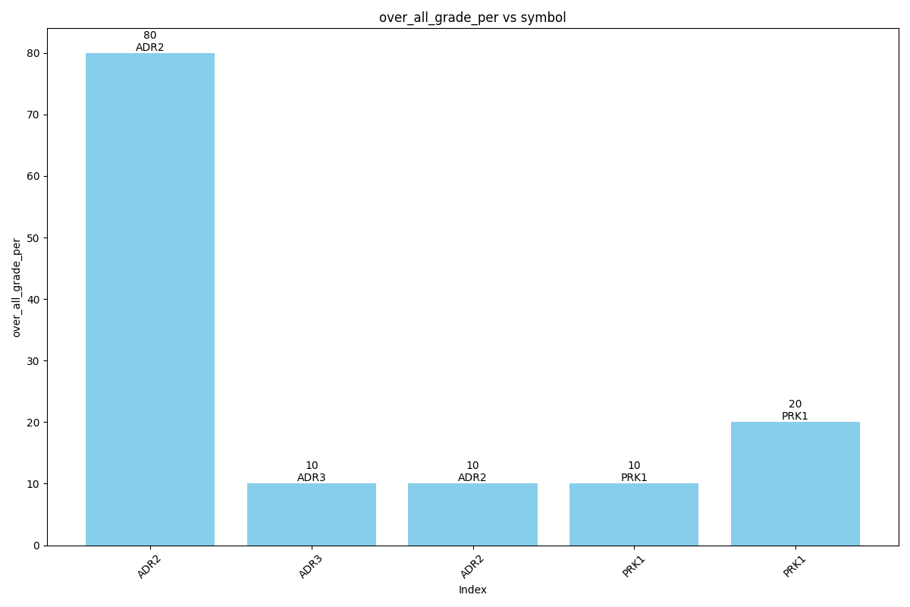
Data for Actual
over_all_grade | over_all_grade_per | studentname | symbol | class | phasename | instructorname
G | 80 | std3 | ADR-2 | Front Drive | Driving | Bharti
U | 10 | std3 | ADR-3 | back adding | Driving | Bharti
U | 10 | std3 | ADR-2 | back adding "AYushi" | Driving | Bharti
F | 10 | std3 | PRK-1 | Front Drive | Driving | Bharti
U | 20 | std3 | PRK-1 | Front Drive | Driving | Bharti

Test
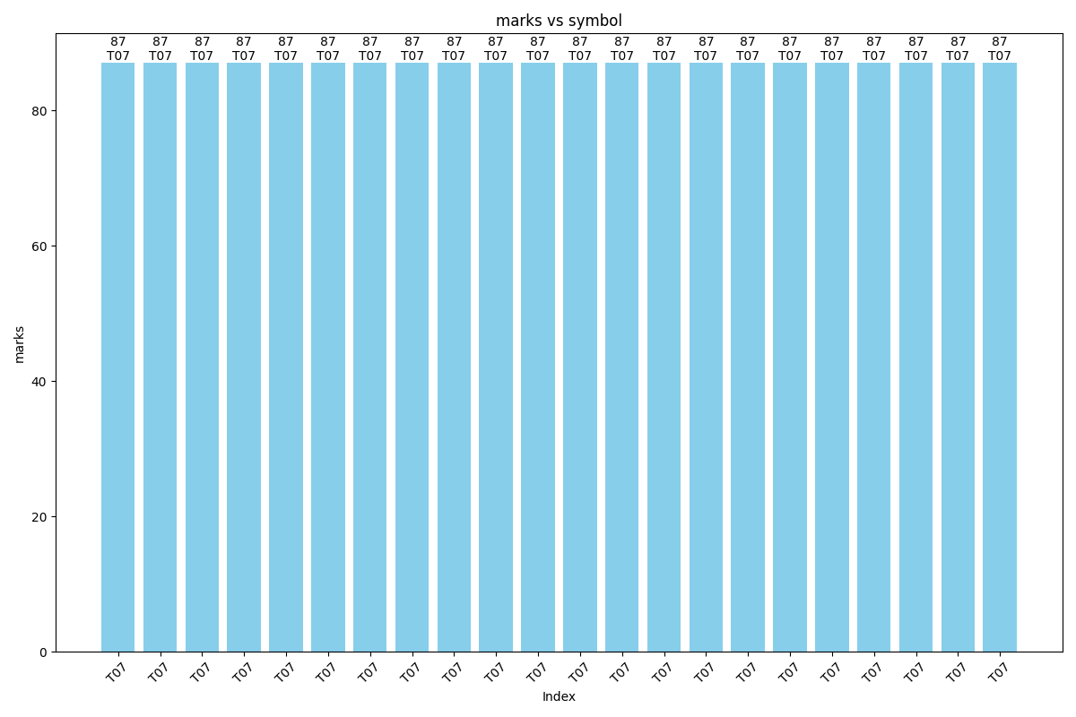
Data for Test
marks | studentname | instructorname | symbol
87 | std3 | varun | T07
87 | std3 | Bharti | T07
87 | std3 | std3 | T07
87 | std3 | Archana | T07
87 | std3 | varun12 | T07
87 | std3 | stu | T07
87 | std3 | ayu | T07
87 | std3 | anchit | T07
87 | std3 | archi3 | T07
87 | std3 | user1 | T07
87 | std3 | std2 | T07
87 | std3 | sabre1 | T07
87 | std3 | inst | T07
87 | std3 | archi4 | T07
87 | std3 | abcd | T07
87 | std3 | archi | T07
87 | std3 | ans | T07
87 | std3 | std1 | T07
87 | std3 | A4 | T07
87 | std3 | sabre | T07
87 | std3 | user4 | T07
87 | std3 | archi1 | T07

Quiz
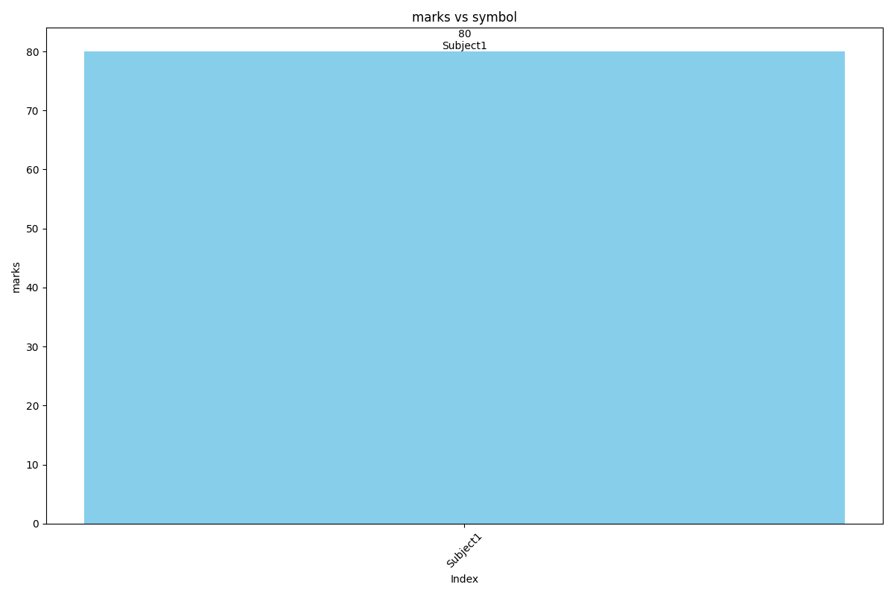
Data for Quiz
marks | symbol
80 | Subject1

Memo
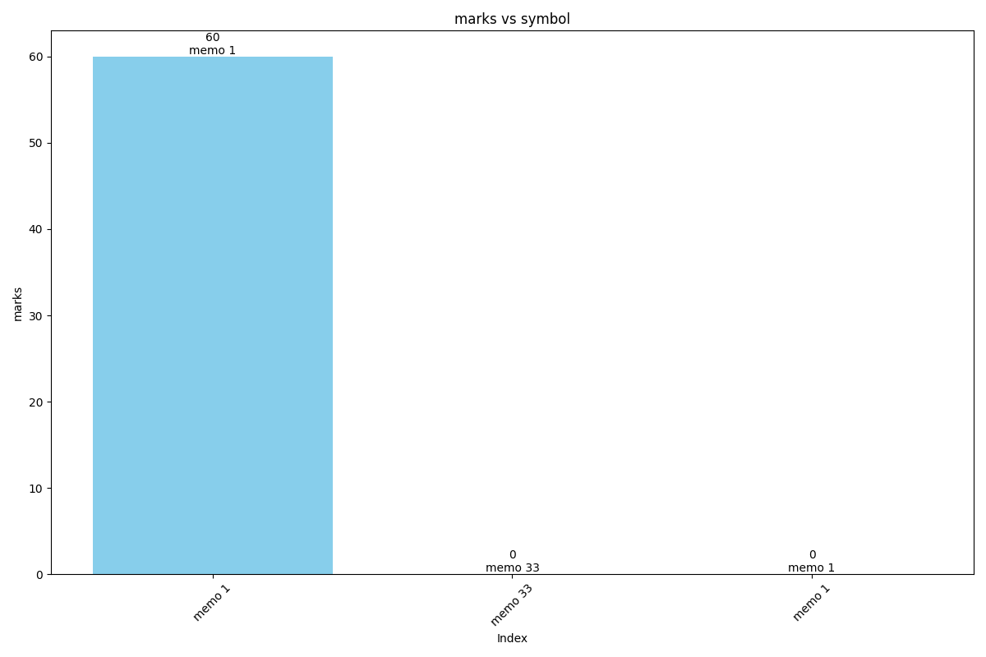
Data for Memo
marks | symbol
60 | memo 1
 | memo 33
 | memo 1

Discipline
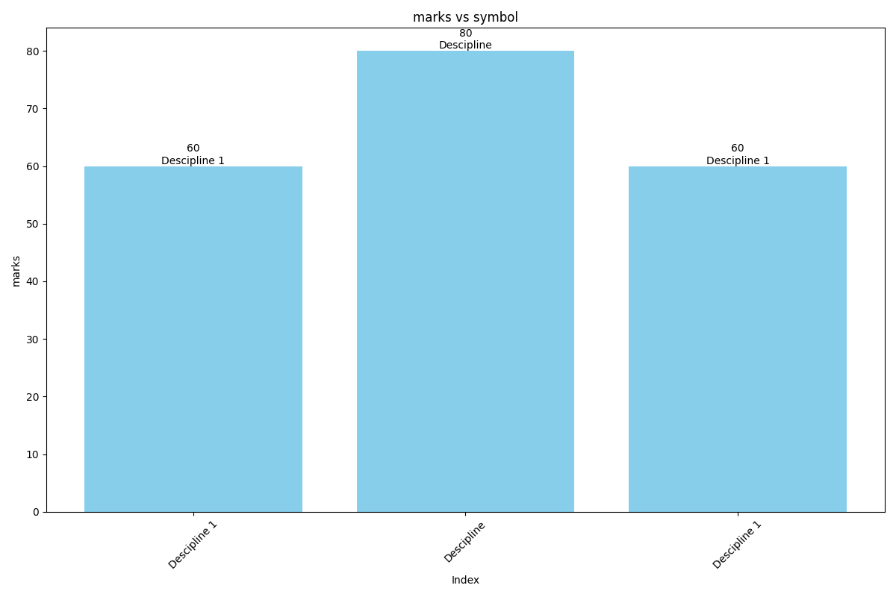
Data for Discipline
marks | symbol
60 | Descipline 1
80 | Descipline
60 | Descipline 1

